Diesel consumption 1990-2024
Diesel consumption in agriculture NFR 1.A.4.c ii
 |  | 1990 | 1991 | 1992 | 1993 | 1994 | 1995 | 1996 | 1997 | 1998 | 1999 | 2000 | 2001 | 2002 | 2003 | 2004 | 2005 | 2006 | 2007 | 2008 | 2009 | 2010 | 2011 | 2012 | 2013 | 2014 | 2015 | 2016 | 2017 | 2018
Diesel consumption | (thousand tons) | 470.00 | 467.00 | 460.00 | 447.00 | 434.00 | 432.00 | 433.00 | 400.00 | 379.00 | 373.00 | 371.00 | 364.00 | 330.00 | 314.00 | 325.58 | 321.37 | 309.94 | 308.08 | 320.92 | 317.14 | 313.00 | 316.48 | 319.33 | 318.87 | 318.68 | 316.63 | 316.63 | 318.65 | 318.96
Diesel (PJ) -(calorific property/capacity 42,8 MJ/kg) | (PJ) | 20.12 | 19.99 | 19.69 | 19.13 | 18.58 | 18.49 | 18.53 | 17.12 | 16.22 | 15.96 | 15.88 | 15.58 | 14.12 | 13.44 | 13.93 | 13.75 | 13.27 | 13.19 | 13.74 | 13.57 | 13.40 | 13.55 | 13.67 | 13.65 | 13.64 | 13.55 | 13.55 | 13.64 | 13.65

Diesel consumption in agriculture (thousands tons)
 | Diesel consumption
1990 | 470.00
1991 | 467.00
1992 | 460.00
1993 | 447.00
1994 | 434.00
1995 | 432.00
1996 | 433.00
1997 | 400.00
1998 | 379.00
1999 | 373.00
2000 | 371.00
2001 | 364.00
2002 | 330.00
2003 | 314.00
2004 | 325.58
2005 | 321.37
2006 | 309.94
2007 | 308.08
2008 | 320.92
2009 | 317.14
2010 | 313.00
2011 | 316.48
2012 | 319.33
2013 | 318.87
2014 | 318.68
2015 | 316.63
2016 | 316.63
2017 | 318.65
2018 | 318.96
2019 | 321.68
2020 | 321.60
2021 | 311.00
2022 | 308.00
2023 | 304.39
2024 | 306.82

Emissions 1999
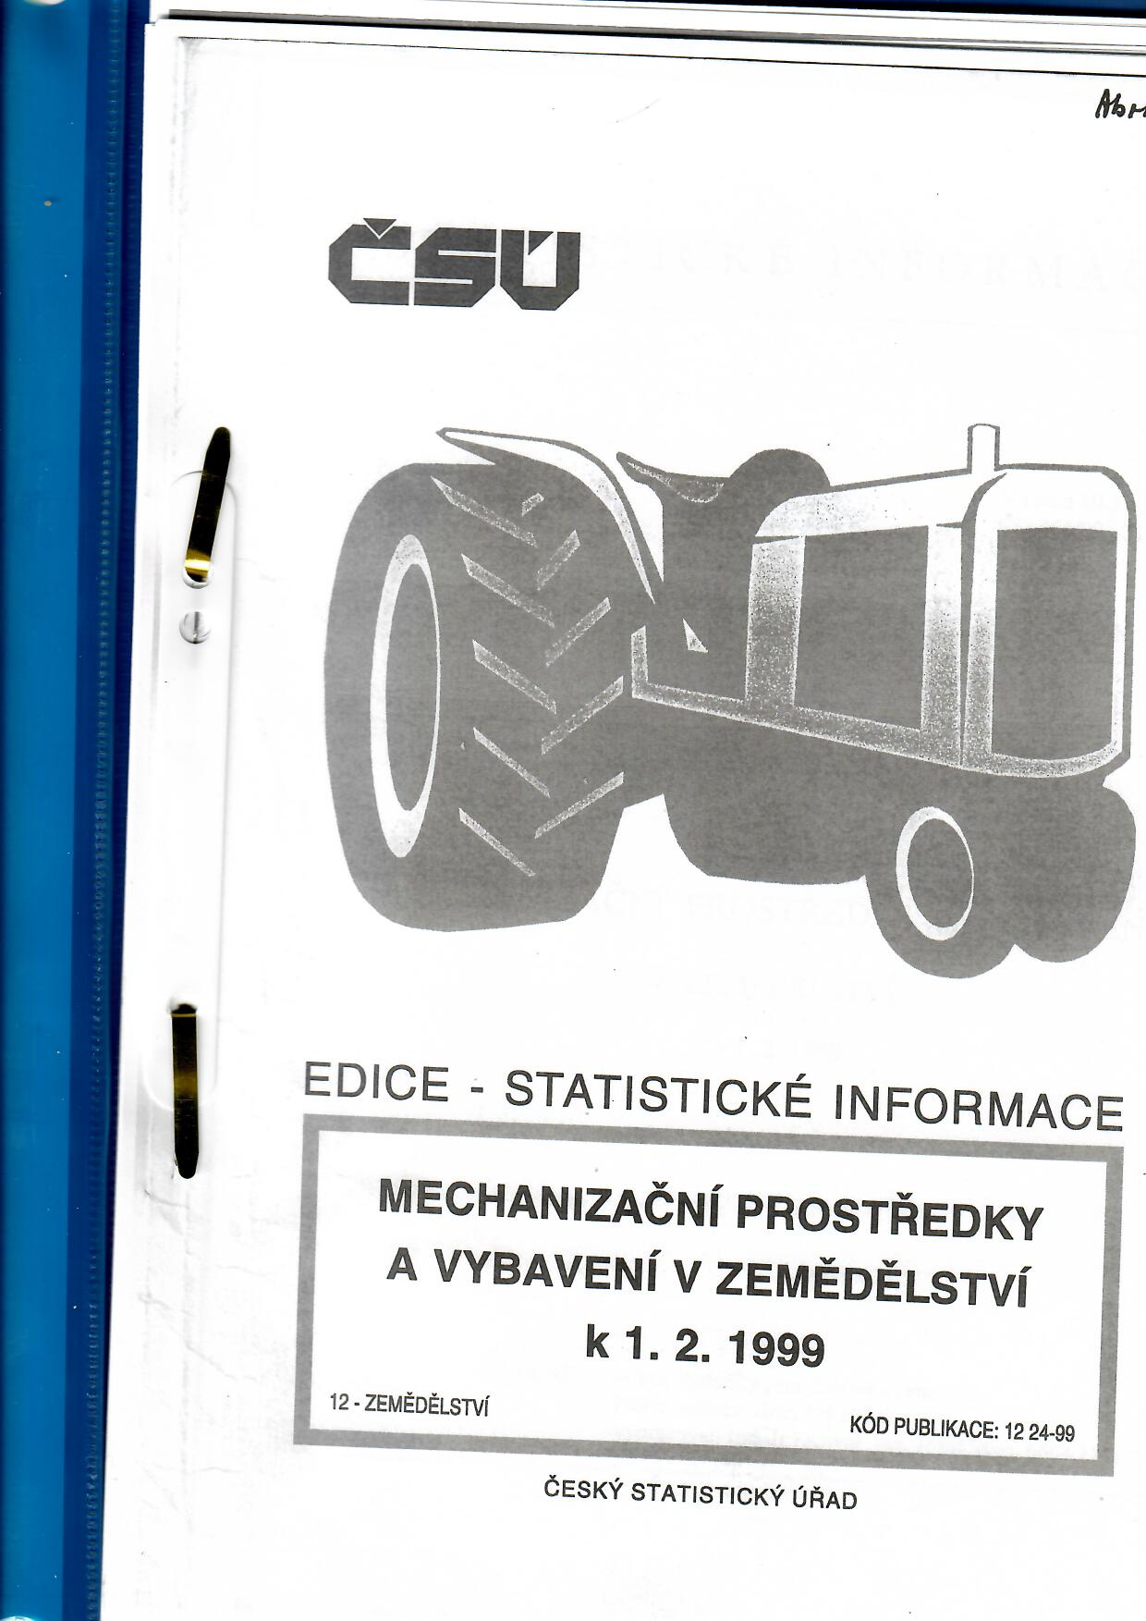
...
 |  |  |  |  |  |  |  |  |  |  |  |  |  | 1997 | 1998 | 1999 |  | Engine Power (kW) | total units per power ranges
 |  |  |  |  |  |  |  |  |  |  |  |  |  |  |  |  |  | P<8 | 0
 |  |  |  |  |  |  |  |  |  |  |  |  |  |  |  |  |  | 8<=P<19 | 0
Tractors share according to engine power in 1999
 |  |  |  |  |  |  |  |  |  |  |  |  |  |  |  |  |  | 19<=P<37 | 8648
 |  |  |  |  |  |  |  |  |  |  |  |  |  |  |  |  |  | 37<=P<56 | 48895
 |  |  |  |  |  |  |  |  |  |  |  |  |  |  |  |  |  | 56<=P<75 | 12201
 |  |  |  |  |  |  |  |  |  |  |  |  |  |  |  |  |  | 75<=P<100 | 0
 |  |  |  |  |  |  |  |  |  |  |  |  |  |  |  |  |  | 100<=P<130 | 3911
 |  |  |  |  |  |  |  |  |  |  |  |  |  |  |  |  |  | 130<=P<160 | 5649
 |  |  |  |  |  |  |  |  |  |  |  |  |  |  |  |  |  | 160<=P<200 | 0
 |  |  |  |  |  |  |  |  |  |  |  |  |  |  |  |  |  | 200<=P<240 | 0
 |  |  |  |  |  |  |  |  |  |  |  |  |  | 29 | 29 | 29 |  | 240<=P<280 | 0
 |  |  |  |  |  |  |  |  |  |  |  |  |  |  |  |  |  | 280<=P<560 | 0
 |  |  |  |  |  |  |  |  |  |  |  |  |  |  |  |  |  | P>560 | 0
 |  |  |  |  |  |  |  |  |  |  |  |  |  |  |  |  |  | Total | 79304
...
 |  |  |  |  |  |  |  |  |  |  |  |  |  | 203 | 203 | 203
...
 |  |  |  |  |  |  |  |  |  |  |  |  |  | 177 | 177 | 177
...
 |  |  |  |  |  |  |  |  |  |  |  |  |  | 119 | 119 | 119
...
 |  |  |  |  |  |  |  |  |  |  |  |  |  | 305 | 305 | 305
...
Tractors share according to emission technology level in 1999
...
 |  |  |  |  |  |  |  |  |  |  |  |  |  |  |  |  |  | Technology level | total units per technology level
 |  |  |  |  |  |  |  |  |  |  |  |  |  |  |  |  |  | <1981 | 0
 |  |  |  |  |  |  |  |  |  |  |  |  |  |  |  |  |  | 1981-1990 | 59862
 |  |  |  |  |  |  |  |  |  |  |  |  |  |  |  |  |  | 1991-Stage I | 19442
 |  |  |  |  |  |  |  |  |  |  |  |  |  |  |  |  |  | Stage I | 0
 |  |  |  |  |  |  |  |  |  |  |  |  |  |  |  |  |  | Stage II | 0
 |  |  |  |  |  |  |  |  |  |  |  |  |  |  |  |  |  | Stage IIIA | 0
 |  |  |  |  |  |  |  |  |  |  |  |  |  |  |  |  |  | Stage IIIB | 0
 |  |  |  |  |  |  |  |  |  |  |  |  |  |  |  |  |  | Stage IV | 0
 |  |  |  |  |  |  |  |  |  |  |  |  |  |  | 832 | 832 | 79304 | Stage V | 0
...
280<=P<560 | Stage II | 0.00 | 0.00 | 0.00 | 0.00 | 0.00 | 0.00 | 0.00 | 0.00 | 0.00 | 0.00 | 0.00 | 0.00
280<=P<560 | Stage IIIA | 0.00 | 0.00 | 0.00 | 0.00 | 0.00 | 0.00 | 0.00 | 0.00 | 0.00 | 0.00 | 0.00 | 0.00
280<=P<560 | Stage IIIB | 0.00 | 0.00 | 0.00 | 0.00 | 0.00 | 0.00 | 0.00 | 0.00 | 0.00 | 0.00 | 0.00 | 0.00
280<=P<560 | Stage IV | 0.00 | 0.00 | 0.00 | 0.00 | 0.00 | 0.00 | 0.00 | 0.00 | 0.00 | 0.00 | 0.00 | 0.00
280<=P<560 | Stage V | 0.00 | 0.00 | 0.00 | 0.00 | 0.00 | 0.00 | 0.00 | 0.00 | 0.00 | 0.00 | 0.00 | 0.00
P>560 | Stage V | 0.00 | 0.00 | 0.00 | 0.00 | 0.00 | 0.00 | 0.00 | 0.00 | 0.00 | 0.00 | 0.00 | 0.00
total |  | 0.00 | 0.00 | 0.00 | 0.00 | 0.00 | 0.00 | 0.00 | 0.00 | 0.00 | 0.00 | 0.00 | 0.00

Emissions 2021
...
Tractors share according to engine power in 2021
2019 | 2020 | 2021 |  | Engine Power (kW) | total units per power ranges
 |  |  |  | P<8 | 0
 |  |  |  | 8<=P<19 | 2471
 |  |  |  | 19<=P<37 | 5822
 |  |  |  | 37<=P<56 | 7577
 |  |  |  | 56<=P<75 | 12001
 |  |  |  | 75<=P<100 | 9337
241 | 220 |  |  | 100<=P<130 | 6807
 |  | 380 |  | 130<=P<160 | 3118
 |  |  |  | 160<=P<200 | 3961
 |  |  |  | 200<=P<240 | 1451
 |  |  |  | 240<=P<280 | 981
 |  |  |  | 280<=P<560 | 824
321 | 320 |  |  | P>560 | 0
 |  | 1084 |  | Total | 54350
...
1021 | 968
 |  | 699
...
727 | 564
 |  | 713
...
672 | 623
 |  | 723
...
444
 | 390 | 539
...
Tractors share according to emission technology level in 2021
...
178
 | 149 | 236
...
 | 207 | 297
...
 | 111 | 155
...
 | 98 | 105 |  | Technology level | total units per technology level
 |  |  |  | <1981 | 0
 |  |  |  | 1981-1990 | 203
 |  |  |  | 1991-Stage I | 5288
 |  |  |  | Stage I | 1017
 |  |  |  | Stage II | 6876
 |  |  |  | Stage IIIA | 14120
 | 72 | 123 |  | Stage IIIB | 9066
 |  |  |  | Stage IV | 11902
 | 3722 | 5054 | 54350 | Stage V | 5878
...

Emissions 2024 (6.1.26)
...
30 | rok 2025 není ve výpočtech zahrnut
2024 | 2025 | Engine Power (kW) | total units per power ranges
 |  | P<8 | 2
 |  | 8<=P<19 | 4918
 |  | 19<=P<37 | 7445
 |  | 37<=P<56 | 7806
 |  | 56<=P<75 | 13198
Tractors share according to engine power in 2025
 |  | 75<=P<100 | 10994
 |  | 100<=P<130 | 8862
778 | 775 | 130<=P<160 | 3938 | 14225
 |  | 160<=P<200 | 5118 | 0.21979974659
 |  | 200<=P<240 | 2048
 |  | 240<=P<280 | 1523
 |  | 280<=P<560 | 1598
 |  | P>560 | 0 | 34081
169 | 125 | Total | 64718 | 0.52660774437
...
294 | 298
...
170 | 114
...
352 | 328
...
Tractors share according to emission technology level in 2025
<1981 | 0
1981-1990 | 0
1991-Stage I | 7148
Stage I | 1948
Stage II | 6428
Stage IIIA | 14588
Stage IIIB | 7108
Stage IV | 10676
Stage V | 19554
...
320 | 309
...
30 | rok 2025 není ve výpočtech zahrnut
117 | 115
...
30 | rok 2025 není ve výpočtech zahrnut
181 | 161
...
30 | rok 2025 není ve výpočtech zahrnut
135 | 142
...
30 | rok 2025 není ve výpočtech zahrnut
59 | 55
...
30 | rok 2025 není ve výpočtech zahrnut
 |  | Technology level | total units per technology level
 |  | <1981 | 0
...

emissions 1990 - 2024
...
1997 | 1998 | 1999 | 2000 | 2001 | 2002 | 2003 | 2004 | 2005 | 2006 | 2007 | 2008 | 2009 | 2010 | 2011 | 2012 | 2013 | 2014 | 2015 | 2016 | 2017 | 2018 | 2019 | 2020
 |  | 13978.92 | 13477.565 | 12976.208 | 12474.851 | 11973.495 | 11472.138 | 10970.781 | 10469.424 | 9968.068 | 9466.711 | 8965.354 | 8463.998 | 7962.641 | 7461.284 | 6959.928 | 6458.571 | 5957.214 | 5455.858 | 4954.501 | 4453.144 | 3951.788 | 3450.431
 |  | 13.978921235 | 13.477564552 | 12.976207869 | 12.474851187 | 11.973494504 | 11.472137821 | 10.970781138 | 10.469424455 | 9.9680677727 | 9.46671109 | 8.9653544072 | 8.4639977245 | 7.9626410417 | 7.461284359 | 6.9599276762 | 6.4585709935 | 5.9572143107 | 5.455857628 | 4.9545009452 | 4.4531442625 | 3.9517875797 | 3.450430897
 |  | 2424.66 | 2329.746 | 2234.828 | 2139.910 | 2044.993 | 1950.075 | 1855.157 | 1760.240 | 1665.322 | 1570.404 | 1475.487 | 1380.569 | 1285.652 | 1190.734 | 1095.816 | 1000.899 | 905.981 | 811.063 | 716.146 | 621.228 | 526.310 | 431.393
 |  | 2.4246631424 | 2.3297455083 | 2.2348278741 | 2.1399102399 | 2.0449926057 | 1.9500749716 | 1.8551573374 | 1.7602397032 | 1.665322069 | 1.5704044348 | 1.4754868007 | 1.3805691665 | 1.2856515323 | 1.1907338981 | 1.095816264 | 1.0008986298 | 0.90598099561 | 0.81106336143 | 0.71614572725 | 0.62122809308 | 0.5263104589 | 0.43139282472
 |  | 10630.90 | 10269.281 | 9907.664 | 9546.047 | 9184.429 | 8822.812 | 8461.195 | 8099.578 | 7737.960 | 7376.343 | 7014.726 | 6653.108 | 6291.491 | 5929.874 | 5568.256 | 5206.639 | 4845.022 | 4483.404 | 4121.787 | 3760.170 | 3398.553 | 3036.935
 |  | 10.630898634 | 10.269281329 | 9.9076640248 | 9.5460467203 | 9.1844294157 | 8.8228121111 | 8.4611948066 | 8.099577502 | 7.7379601974 | 7.3763428929 | 7.0147255883 | 6.6531082837 | 6.2914909792 | 5.9298736746 | 5.56825637 | 5.2066390655 | 4.8450217609 | 4.4834044563 | 4.1217871518 | 3.7601698472 | 3.3985525426 | 3.0369352381
 |  | 2153.03 | 2064.122 | 1975.218 | 1886.314 | 1797.410 | 1708.506 | 1619.602 | 1530.698 | 1441.794 | 1352.890 | 1263.986 | 1175.082 | 1086.178 | 997.274 | 908.370 | 819.466 | 730.562 | 641.658 | 552.754 | 463.850 | 374.946 | 286.042
 |  | 2.1530262569 | 2.064122255 | 1.9752182532 | 1.8863142514 | 1.7974102496 | 1.7085062478 | 1.6196022459 | 1.5306982441 | 1.4417942423 | 1.3528902405 | 1.2639862386 | 1.1750822368 | 1.086178235 | 0.99727423316 | 0.90837023134 | 0.81946622952 | 0.73056222769 | 0.64165822587 | 0.55275422405 | 0.46385022222 | 0.3749462204 | 0.28604221858
 |  | 2153.03 | 2064.12 | 1975.22 | 1886.31 | 1797.41 | 1708.51 | 1619.60 | 1530.70 | 1441.79 | 1352.89 | 1263.99 | 1175.08 | 1086.18 | 997.27 | 908.37 | 819.47 | 730.56 | 641.66 | 552.75 | 463.85 | 374.95 | 286.04
 |  | 2.1530262569 | 2.064122255 | 1.9752182532 | 1.8863142514 | 1.7974102496 | 1.7085062478 | 1.6196022459 | 1.5306982441 | 1.4417942423 | 1.3528902405 | 1.2639862386 | 1.1750822368 | 1.086178235 | 0.99727423316 | 0.90837023134 | 0.81946622952 | 0.73056222769 | 0.64165822587 | 0.55275422405 | 0.46385022222 | 0.3749462204 | 0.28604221858
Course of emissions from NFR 1.A.4.c ii
 | NOx | NMVOC | CO | PM10
1999 | 13.978921235 | 2.4246631424 | 10.630898634 | 2.1530262569
2000 | 13.477564552 | 2.3297455083 | 10.269281329 | 2.064122255
2001 | 12.976207869 | 2.2348278741 | 9.9076640248 | 1.9752182532
2002 | 12.474851187 | 2.1399102399 | 9.5460467203 | 1.8863142514
2003 | 11.973494504 | 2.0449926057 | 9.1844294157 | 1.7974102496
2004 | 11.472137821 | 1.9500749716 | 8.8228121111 | 1.7085062478
2005 | 10.970781138 | 1.8551573374 | 8.4611948066 | 1.6196022459
2006 | 10.469424455 | 1.7602397032 | 8.099577502 | 1.5306982441
2007 | 9.9680677727 | 1.665322069 | 7.7379601974 | 1.4417942423
2008 | 9.46671109 | 1.5704044348 | 7.3763428929 | 1.3528902405
2009 | 8.9653544072 | 1.4754868007 | 7.0147255883 | 1.2639862386
2010 | 8.4639977245 | 1.3805691665 | 6.6531082837 | 1.1750822368
2011 | 7.9626410417 | 1.2856515323 | 6.2914909792 | 1.086178235
2012 | 7.461284359 | 1.1907338981 | 5.9298736746 | 0.99727423316
2013 | 6.9599276762 | 1.095816264 | 5.56825637 | 0.90837023134
2014 | 6.4585709935 | 1.0008986298 | 5.2066390655 | 0.81946622952
2015 | 5.9572143107 | 0.90598099561 | 4.8450217609 | 0.73056222769
2016 | 5.455857628 | 0.81106336143 | 4.4834044563 | 0.64165822587
2017 | 4.9545009452 | 0.71614572725 | 4.1217871518 | 0.55275422405
2018 | 4.4531442625 | 0.62122809308 | 3.7601698472 | 0.46385022222
2019 | 3.9517875797 | 0.5263104589 | 3.3985525426 | 0.3749462204
2020 | 3.450430897 | 0.43139282472 | 3.0369352381 | 0.28604221858
2021 | 2.9490742142 | 0.33647519054 | 2.6753179335 | 0.19713821675
2022 | 2.6268596909 | 0.31348428463 | 2.5748720354 | 0.1636714302
2023 | 2.3046451676 | 0.29049337872 | 2.4744261373 | 0.13020464366
2024 | 1.9824306443 | 0.26750247281 | 2.3739802392 | 0.096737857108

