Details
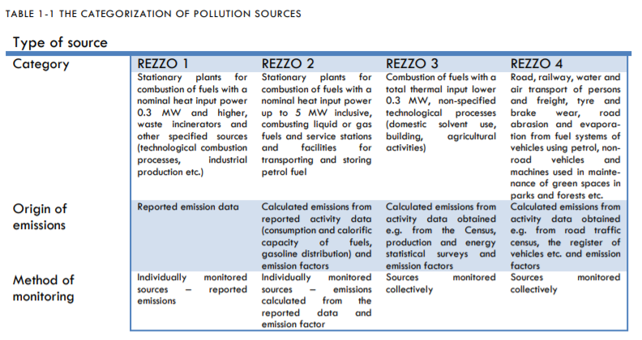
Type of source | GNFR | MAIN POLL., PM, BC, CO | HMs, POPs | UNIT | IIR chapter | GRIDD distrib.
REZZO 1 | A_PublicPower | x |  | R1 ZZL | 3.1.; 6.3. | POINT
REZZO 1 | A_PublicPower |  | x | R1 TK POP comb. | 3.1.; 6.3. | POINT
REZZO 1 | B_Industry | x |  | R1 ZZL | 3.1.; 3.2.; 4 | POINT
REZZO 1 | B_Industry |  | x | R1 TK POP comb. | 3.1.; 3.2.; 4 | POINT
REZZO 1 | B_Industry |  | x | R1 TK POP tech. NACE 24-27 | 3.1.; 3.2.; 4 | POINT
REZZO 3 | B_Industry | x |  | R3 2H2 | 4. | INHAB. DENSITY
REZZO 1 | B_Industry | x |  | R1 NH3 HNO3 | 4. | POINT
REZZO 1 | B_Industry |  | x | R1 TK POP tech. rest IND | 4. | POINT
REZZO 3 | B_Industry | x |  | R3 Construction and demolition | 4.1. | SPECIFIC 3
REZZO 1 | C_OtherStationaryComb | x |  | R1 ZZL | 3.1.; 3.2. | POINT
REZZO 1 | C_OtherStationaryComb |  | x | R1 TK POP comb. | 3.1.; 3.2. | POINT
REZZO 3 | C_OtherStationaryComb | x | x | R3 comb. domestic | 3.2. | MUNICIP.
REZZO 1 | D_Fugitive | x |  | R1 coal minning LIGN. | 3.7. | GIS
REZZO 1 | D_Fugitive | x |  | R1 ZZL | 3.7. | POINT
REZZO 1 | D_Fugitive | x |  | R1 natural gas exploration | 3.7. | POINT
REZZO 1 | D_Fugitive | x |  | R1 distribution of oil products | 3.7. | POINT
REZZO 1 | D_Fugitive |  | x | R1 TK POP RAF 1A1b corr. | 3.7. | POINT
REZZO 1 | D_Fugitive |  | x | R1 TK POP RAF 1B2aiv corr. | 3.7. | POINT
REZZO 1 | D_Fugitive | x |  | R1 coal minning BITUM. | 3.7. | SPECIFIC 2
REZZO 1 | E_Solvents | x |  | R1 ZZL | 4.4. | POINT
REZZO 3 | E_Solvents | x |  | R3 (other then R1) | 4.4. | SPECIFIC 1
REZZO 3 | E_Solvents | x | x | R3 2G inhab. | 4.5. | INHAB. DENSITY
REZZO 1 | E_Solvents |  | x | R1 TK POP comb. | 4.5. | POINT
REZZO 4 | F_RoadTransport | x | x | MOBILE | 3.3. | TRAFFIC COUNT. 2020-2021
REZZO 4 | G_Shipping | x | x | MOBILE | 3.5. | GIS 2015
REZZO 4 | H_Aviation | x | x | MOBILE | 3.5. | POINT
REZZO 1 | I_Offroad | x |  | R1 ZZL pipeline | 3.5. | POINT
REZZO 1 | I_Offroad |  | x | R1 TK POP comb. pipeline | 3.5. | POINT
REZZO 4 | I_Offroad | x | x | MOBILE | 3.5.; 3.6. | GIS
REZZO 1 | J_Waste | x |  | R1 ZZL | 6. | POINT
REZZO 1 | J_Waste | x |  | R1 wastewater handling | 6. | POINT
REZZO 1 | J_Waste | x |  | R1 composting | 6. | POINT
REZZO 1 | J_Waste |  | x | R1 TK POP 5C1bv | 6. | POINT
REZZO 3 | J_Waste | x |  | R3 Solid waste disposal | 6.1. | GIS
REZZO 3 | J_Waste | x | x | R3 o pen burning inhab. | 6.5. | INHAB. DENSITY
REZZO 3 | K_AgriLivestock | x |  | Manure E-PRTR | - | GIS
REZZO 3 | K_AgriLivestock | x |  | R3 manure rest | 5. | GIS
REZZO 3 | L_AgriOther | x |  | R3 fertilizers | 5. | GIS

SPECIFIC 1: size of municipality and density of inhabitants (2015)
SPECIFIC 2: two districts of Silesia
SPECIFIC 3: database of floor areas of residential buildings and of non-residential buildings (CZSO); highway construction

